Final_Dashboard
COVID-19 Case Analysis Dashboard (India - 2020)

 |  | Data Source: covid19-Dataset-India |  |  | Total Records: 14,993

Total Cases | 14993 | Total Hospitalized | 8978 | Recovered | 5387 | Deceased | 627 | Recovery % | 35.93010071
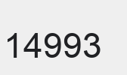

Monthly Trend
Status Distribution

Age Group Distribution
Monthly Wave Pattern by Case Status

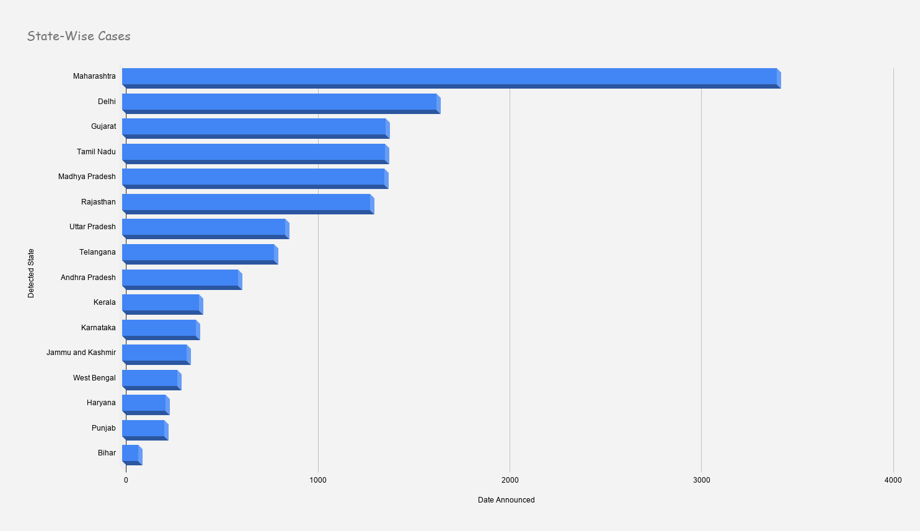

14992 |  | 8978 |  |  | 5387 |  | 627 |  | 14992

